SMT & wave solder
Note: Only fill up cell in white color.
Process |  | Brand | Model | Area of Interest | (Customer's comment)
 |  |  |  |  | Typical/ General Process | (only fill this section if socket vs BGA are using different process parameter & material)
 |  |  |  |  |  | Socket | BGA
Paste Print | Paste Print Machine | DEK | NeoHorizon 03iX | Squeegee Speed (mm/s) | 40 mm/sec
 |  |  |  | Squeegee Pressure (g/mm) | 11-14 kg
 |  |  |  | Stencil Separation Speed (mm/s) | 0-1 mm/s
 |  |  |  | Under Screen Cleaning frequency
 |  |  |  | Stencil Cleaning Frequency | Every 4 PCB for bot side Every 2 PCB for top side
 |  |  |  | Cleaning Process | Ultrasonic
 |  |  |  | PCB support type | Vacuum and pin
 |  |  |  | Do you use the same pallet for paste print, PnP and reflow? | By model
 |  |  |  | Maximun board handling capability (length x width) | 620mm(X) * 508.5mm(Y)
 | Stencil | Iden |  | Stencil Technology + coating | Laser cut with etching
 |  | Win-laser |  | Stencil Thickness used | 0.13 mm
 |  |  |  | Is a step stencil used? | 0.1-0.15 mm
 | PCB | ACCL |  | Surface finish & thickness | OSP, 2.03 mm for server board
 |  | GCE |  | What type of PCB is used? | Type 4
 |  | COMPEQ
 | Solder Paste Vendor | SHENMAO | PF606-P | Type of solder paste | Type 4
 |  | SMIC | M705-S101HF(N6)-S5 | Type of solder paste | Type 5

Pick & Place | PnP Machine | Fuji | NXT M6 * 14 | Nozzle size (LGA socket & Intel component) | 20mm
 |  |  |  | Max BGA/socket size capability (x, y) | X:74mm Y:74mm
 |  |  |  | Max BGA/socket weight capability (grams) | 38.498 g
 |  |  |  | Do you use a pallet during placement? | No,use pin support only.
 |  |  |  | Maximun board handling capability (length x width) | 534*410mm
 | PnP camera |  |  | min pitch/ball recognition capability | 0.4 mm

Reflow | Relow Oven | Heller | 2043 MK5 | Use of PCB support ? (eg. pallet, carrier, share picture if ppossible) | Special carrier for reflow
 |  |  |  | Oven Purging with N2? | Yes
 |  |  |  | O2 PPM control | <2000 O2 ppm
 |  |  |  | Air flow
 |  |  |  | Belt Speed | 850-1000 mm/min
 |  |  |  | Ramp Rate | ≦ 3oC/sec
 |  |  |  | Cooling Rate | ≦ 3oC/sec
 |  |  |  | Peak Temp Range | 230-250 °C
 |  |  |  | Time above Liquidus (s) | 60-120 seconds
 |  |  |  | Soak Temp Range and Time | 60-120 seconds
 |  |  |  | What is the delta T across the component | 10°C
 |  |  |  | What is the number of heating and cooling zones used? | 13 heating zone, 3 cooling zone
 |  |  |  | Maximun board handling capability (length x width) | Max. width 500 mm(with carrier)
 | SMT Yield Target |  |  |  | eg. 1000DPM

Wave Soldering | Machine | JYI DIANN | JT-620L | Preheat Time | 90~130 °C
 |  |  |  | Solder Pot Temperature | 270 °C
 |  |  |  | Conveyor Speed | 85 cm/min
 | Flux | SHEN MAO | SM-827 | What are the components and pitch undergo wave soldering ? | All PTH component (DIP type)
 |  |  |  | What is the O2 PPM contorl ? | NA
 | Target yield

Rework | Machine | SUMMIT-LXi |  | Peak Temp Range | 230-250°C
 |  |  |  | Time above Liquidus (s) | eg. 60-90 seconds | 60-120 seconds | 60-90 seconds
 |  |  |  | Soak Temp Range and Time | eg. 90-120 seconds | 60-100 seconds | 60-120 seconds
 | Paste/Flux |  |  | Max BGA/socket weight capability (grams) | 38.498 g
 |  |  |  | Is rework done in air or nitrogen? & O2 PPM control ? | Nitrogen/air are used No oxygen concertration system.
 | Yield Target |  |  |  | eg. 1000DPM

Inspection | SPI | TRI | TR7007 SII | Sampling rate | 100%
 |  |  |  | Min/Max Spec and control limit
 |  |  |  | Is SPI Performed on selective components or 100%? | Yes
 |  |  |  | Maximun board handling capability (length x width) | 620mm(X) * 508.5mm(Y)
 | SMT X-ray | Nordson | DAGE JADE FP | In line / offline ? | offline
 |  |  |  | sampling rate ? | S/R 100% / Production first +each 2 hour 1 pcs
 | AOI | TRI | 7500L SIII | In line / offline ? | Before in line / After off line
 |  |  |  | sampling rate ? | 100% for production
 |  |  |  | How many AOI's are used? | 2 pre-reflow, 2-post reflow, 4-outgoing
 |  |  |  | Where is AOI located? | 2- pre-reflow, 2-post reflow, 4-outgoing
 |  |  |  | Is AOI Performed on selective components or 100%? | Yes
 |  |  |  | Maximun board handling capability (length x width) | 620mm x 508mm

Traceability | 2D scanner | pls list all scanners (if >3 types) |  | Purpose of scanning | Traceability
 |  |  |  | Which process require scanning ? | SMT
 |  |  |  | In line or offline traceability? | In-line

Others | Adhesive | DYMAX | 3609-GEL | Are you currently using adhesive for BGAs? |  |  | Yes, no
 |  |  |  | What type of adhesive do you use? |  |  | eg. Corner glue, corner dot, underfill, corner fill
 |  |  |  | What is the vendor name and model of adhesive material you are using?
 |  |  |  | Where in the board manufacturing process is the adhesive applied (Ex. Before SMT (or) After SMT/Before Functional Test (or) After SMT/After Functional Test)?
 | Fly Probe | Brand | Model | In line / offline ?

Test & System Intergration
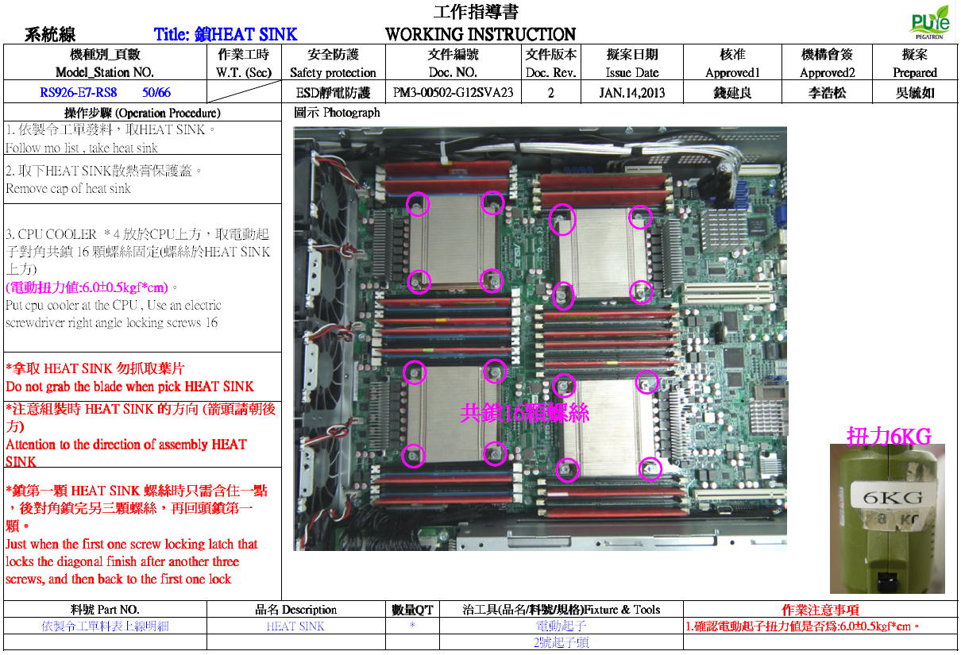
Note: Only fill up cell in white color.
Process | Area of Interest | (Customer's comment)
 |  | Sample answer | Fill this section
 |  |  | Board Testing (eg. L6) | System Assembly Test (eg. L10) | Additional comments
Automation | Do you use automation in your assembly process? 您在組裝過程中使用自動化嗎？ | yes / no | Yes | No
 | Do you have Full or partial automation during the server assembly process. If partial, which part of the assembly process is automated? 在伺服器組裝過程中，您是否具有全部或部分自動化功能。 如果是局部的，組裝過程的哪一部分是自動化的？ | Partial : PHM assembly, PHM attach to bolster, ILM assembly Full: automated test fixture with PHM for 2S, automated assembly prior pack/ship | Partial: automated test machine 使用半自動化測試機台，自動插入處理器、記憶體、顯示卡..等。 (或建議NPI階段治具開發時依自動化方向校進行評估與製作。) | No (建議NPI階段治具開發時依自動化方向校進行評估與製作。)
 | Does the automated test or assembly occur in-line or off-line? 自動化測試或組裝是在線還是離線進行？ | off-line / in-line | in-line | in-line
 | If automation is used, what type of equipment/machines are used? 如果使用自動化，則使用哪種類型的設備/機器？ | Model name of automation (fixed or flexible automation or collaborative robot /cobot) & camera/ inspection used | automated test machine 半自動測試機台(例:Oceancat) | (若有需求建議NPI階段治具開發時依自動化方向校進行評估與製作。)
 | What is used to pick & place Intel's product or retention components (piece parts) ? 用什麼來拿取和放置英特爾的產品或固定組件（零件）？ | vacuum nozzle, gripper & etc | Vacuum nozzle, gripper for CPU, and fixture for opening the CPU socket cover | Vacuum nozzle, gripper for CPU
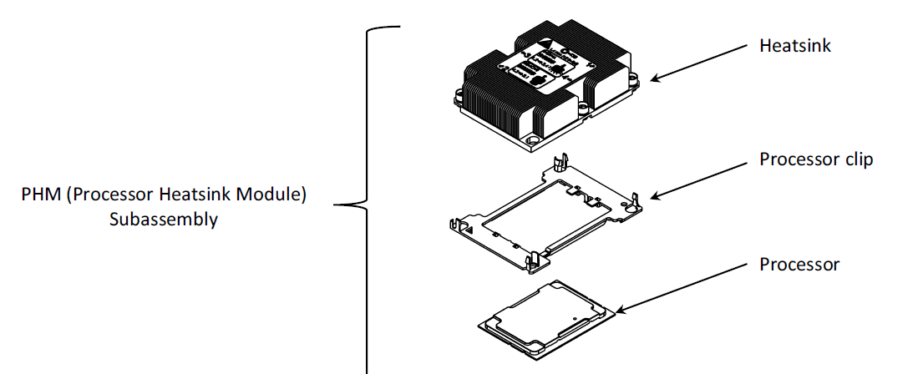

Assembly Time | What is the time required currently for the assembly of one PHM (CPU + carrier + heatsink)?(右圖) 目前組裝一個PHM（CPU +托架+散熱器）需要多少時間？ | Example: 1 minute for complete assembly | Around 10 seconds 使用夾持放處理器+托架+散熱器約10秒(依右圖評估) | Around 10 seconds 使用夾持放處理器+托架+散熱器約10秒(依右圖評估)
 | What is the time required for attaching PHM assembly onto the motherboard? 將PHM組件連接到主板上需要多少時間？ | Example: 1 minute for assembly of CPU | around 15 seconds 將整個模組放置到主機板並鎖附4顆螺絲約15秒(依右圖評估) | around 15 seconds 將整個模組放置到主機板並鎖附4顆螺絲約15秒(依右圖評估)
 | What is the target throughput for standard 2S system assembly? 組裝一台標準2S(2顆處理器)需要多久的時間？ | Example: 2 minute for complete assembly of PHMs for 2S server | 50 seconds 組裝2組PHM約50秒(依右圖評估) | 50 seconds 組裝2組PHM約50秒(依右圖評估)
 | What is the time required for removal of the PHM from motherboard? 從主板上拆下PHM需要多少時間？ | Example: 1 minute for complete removal of PHMs from 2S server | 20 seconds 拆解2組PHM約20秒(依右圖評估) | 20 seconds 拆解2組PHM約20秒(依右圖評估)

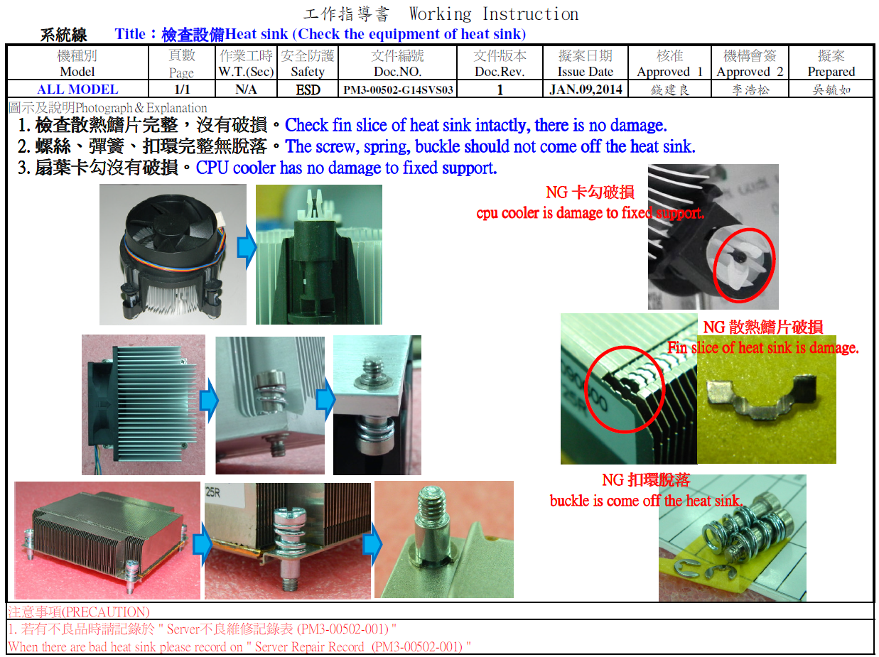
Assembly Fixtures | Do you use a fixture for the assembly of the PHM components? If yes, what kind of fixture 您是否使用固定裝置組裝PHM組件？ 如果是，使用哪種治具 | Example: yes, a PHM assembly fixture. Pocket to assemble carrier to CPU and heatsink | No | No
 | Do you use a fixture/tool for assemlby of the carrier to the CPU? 您是否使用固定裝置/工具將托架組裝到CPU？ | yes / no | yes | yes

General | What area of improvement would you like to see? 您想看到哪些方面的改進？ | Example: Improve socket cover ease of use | No | No
 | What heatsink design is used? 使用哪種散熱器設計？ | Example: Intel reference design, own customized design | Intel reference design, own customized design | Intel reference design, own customized design
 | Is the Intel PHM design automation friendly? If no,elaborate on which part of assembly is not automation friendly (Carrier to CPU attachment, CPU+carrier to heatsink & etc) 英特爾PHM設計自動化是否友好？ 如果否，請詳細說明裝配的哪一部分不自動化 （CPU附件的載體，CPU +散熱器的載體等） | eg. no. anti-tilt wire is obstructing for screwing tightening and PHM removal after test. | Yes | Yes
 | Torque Driver used, Brand and Model 所使用的扭矩起子，品牌和型號 |  | KILEWS SK-3120L KILEWS SK-8140L | KILEWS SK-3120L KILEWS SK-8140L

